Indices

 | Iraq Stock Exchange
 | Bulletin No (169)

 | ISX Trading Indices of Wednesday 24/9/2025

 | Traded Volume and OTC |  | 328,820,152 |  | Traded Value and OTC |  | 683,492,007 |  | Traders | 784

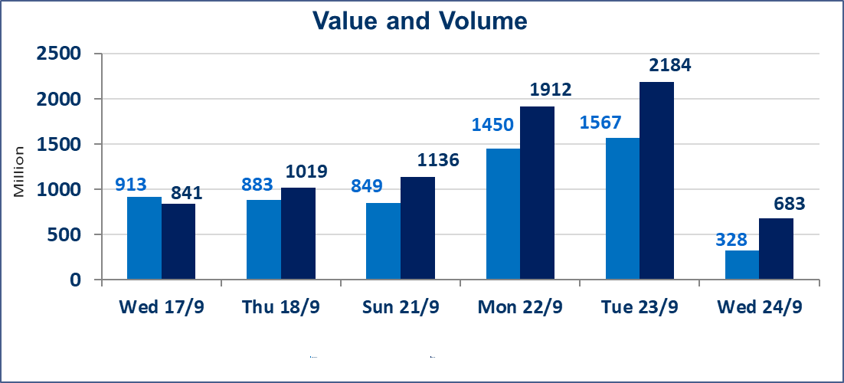
 | ISX Index 60 |  |  | 967.60 | ISX Index 15 |  |  | 1129.74
 | Previous ISX Index60 |  |  | 968.66 | Previous ISX Index15 |  |  | 1136.86
 | Change % |  |  | -0.11 | Change % |  |  | -0.63
 | Change |  |  | -1.06 | Change |  |  | -7.12

 | Listed Companies | 104 | OTC | 11 | Non Traded listed | 40 | OTC | 9
 | Traded Listed Companies | 43 | OTC | 1 | Higher Companies |  |  | 5
 | GAM Companies |  |  | 10 | Lower Companies |  |  | 12
 | Suspended Companies |  |  | 11
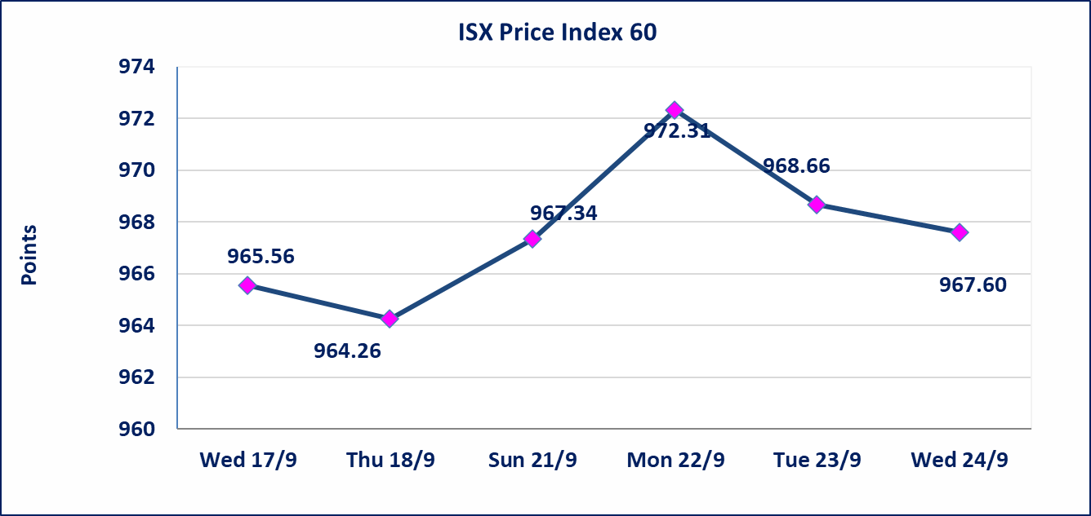
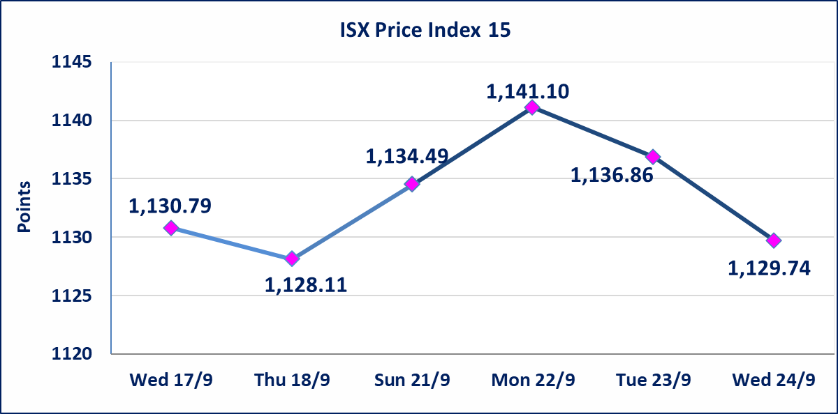

Al-Alwiya P.O . 3607 Mobile: 07711211522 - 07270094594 - 07834000034 E-mail: info-isx@isx-iq.net Web site:www.isx-iq.net

Top 5
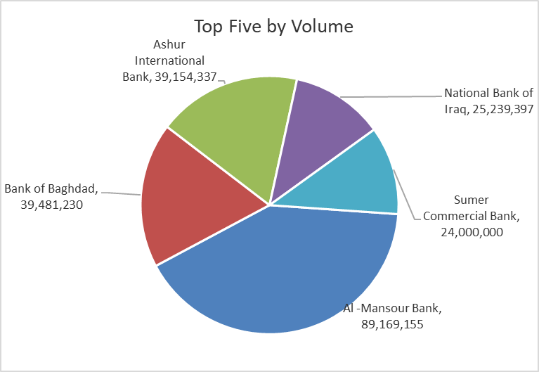
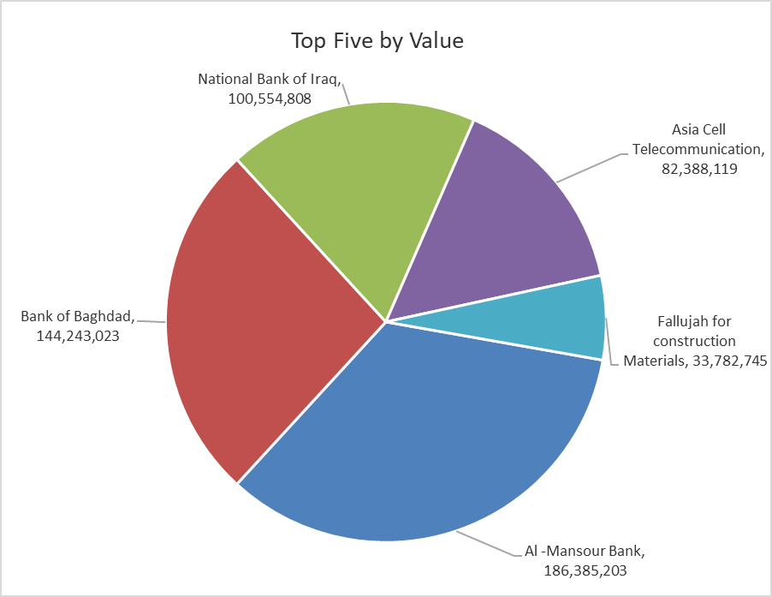
ISX top ganing and losing companies
Wednesday 24/9/2025
Gainers |  |  |  | Losers
Company Name | Closing Price | Change (%) | Traded Volume | Company Name | Closing Price | Change (%) | Traded Volume
Al-Ahlyia agricultural production | 2.300 | 15.00 | 3,497,000 | Kurdistan International Bank | 1.000 | -7.41 | 5,500,000
Baghdad Hotel | 11.600 | 3.11 | 10,000 | Iraqi Carton Manufactories | 1.100 | -4.35 | 350,000
Gulf Insurance | 0.700 | 2.94 | 30,800 | National Bank of Iraq | 3.950 | -3.66 | 25,239,397
Agricultural Products Meat | 4.980 | 1.84 | 1,000,000 | The Light Industries | 1.130 | -3.42 | 7,356,575
Ishtar Hotels | 9.050 | 0.44 | 300,000 | International Islamic Bank | 0.290 | -3.33 | 103,000

The most active companies in term of traded volume and value

Traded Volume |  |  |  | Traded Value
Company Name | Closing Price | Change (%) | Traded Volume | Company Name | Closing Price | Change (%) | Traded Value
Al -Mansour Bank | 2.090 | -0.48 | 89,169,155 | Al -Mansour Bank | 2.090 | -0.48 | 186,385,203
Bank of Baghdad | 3.660 | -0.27 | 39,481,230 | Bank of Baghdad | 3.660 | -0.27 | 144,243,023
Ashur International Bank | 0.220 | 0.00 | 39,154,337 | National Bank of Iraq | 3.950 | -3.66 | 100,554,808
National Bank of Iraq | 3.950 | -3.66 | 25,239,397 | Asia Cell Telecommunication | 12.120 | -0.74 | 82,388,119
Sumer Commercial Bank | 0.080 | 0.00 | 24,000,000 | Fallujah for construction Materials | 3.120 | -1.27 | 33,782,745

Non Iraqis

Iraq Stock Exchange
Non Iraqis' Bulletin Wednesday Sept 24 2025
Regular Market

Non Iraqi Trading of Regular Market (Buy)
Company Names | Code | No.of trades | Traded Shares | Trading Volume
Banks Sector
Al-Mansour Bank | BMNS | 2 | 1,750,000 | 3,657,500
Total Bank sector |  | 2 | 1750000 | 3657500
Grand Total |  | 2 | 1750000 | 3657500

Non Iraqi Trading of Regular Market (Sell)
Company Names | Code | No.of trades | Traded Shares | Trading Volume
Services Sector
Iraq Baghdad For General Transportation | SBPT | 3 | 23,382 | 771,606
Total Services sector |  | 3 | 23,382 | 771,606
Grand Total |  | 3 | 23382 | 771606

